Hoja1
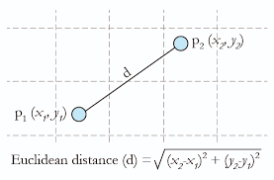
Data
Country | Age | Salary | Purchase
France | 44 | 72000 | No | Standardisation | Normalisation
$$x_{stand}=\frac{x−mean(x)}{standard deviation(x)}$$
$$x_{norm}=\frac{x−min(x)}{\max\left(x\right)−min⁡(x)}$$
Spain | 27 | 48000 | Yes
Germany | 30 | 54000 | No
Spain | 38 | 61000 | No
Standardisation: tiende a generar una campana de Gauss.
Normalisation: conjunto 0, 1.
Germany | 40 | NA | Yes
France | 35 | 58000 | Yes
Spain | NA | 52000 | No
France | 48 | 79000 | Yes
Germany | 50 | 83000 | No
France | 37 | 67000 | Yes

Age | 23 | 529
Salary | 35000 | 1225000000

